EX004-2026
THAI HA PUBLIC COMPANY LIMITED
Sales Confirmation
To | ASIA EXPRESS FOOD B.V. |  |  |  | From | : Thai Ha Public Company Limited.
Address | KILBYSTRAAT 1, 8263 CJ KAMPEN (NL), NETHERLANDS |  |  |  |  | MS. May
 |  |  |  |  | Phone | : 6666-115-9381
Attn | MR. Paul Eilander |  |  |  | Fax | : 66-34-288-415
Phone | +31-38-3329082 |  |  |  | Mobile | : 6681-995-7421
Fax | +31-38-3329045 |  |  |  | PO# | : 4500054845
Date | April 21, 2026 |  |  |  | Ref. No. | : EX005/2026
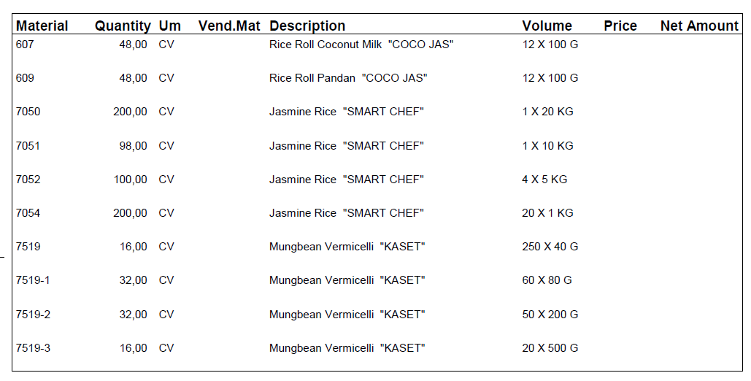
Packaging |  | Description | Quantity |  | Price/MT | Total | Remarks
 |  |  |  |  | ($USD) | ($USD)
Cus. Item: 607 |  | "COCO JAS" BRAND (NO EGG) | 48 | Cartons | 13.20 | 633.60 | FOB BANGKOK, THAILAND
100g x 12 |  | Coco Jas Roll - Coconut Flavor | 0.06 | MT

Cus. Item: 609 |  | "COCO JAS" BRAND (NO EGG) | 48 | Cartons | 13.20 | 633.60
100g x 12 |  | Coco Jas Roll - Pandan Flavor | 0.06 | MT

Cus. Item: 7050 |  | "SMART CHEF" BRAND | 200 | Sacks | 1,275.00 | 5,100.00
20 Kg LL bag x 1 |  | Thai Hom Mali Rice, New Crop 2026 | 4.00 | MT

Cus. Item: 7051 |  | "SMART CHEF" BRAND | 98 | Sacks | 1,305.00 | 1,278.90
10 Kg LL bag x 1 |  | Thai Hom Mali Rice, New Crop 2026 | 0.98 | MT

Cus. Item: 7052 |  | "SMART CHEF" BRAND | 100 | Sacks | 1,335.00 | 2,670.00
5 Kg LL bag x 4 |  | Thai Hom Mali Rice, New Crop 2026 | 2.00 | MT

Cus. Item: 7054 |  | "SMART CHEF" BRAND | 200 | Cartons | 1,415.00 | 5,660.00
1 Kg LL bag x 20 |  | Thai Hom Mali Rice, New Crop 2026 | 4.00 | MT

Cus. Item: 7519 |  | "KASET" BRAND | 16 | Cartons | 56.00 | 896.00
40g x 250 |  | Bean Vermicelli | 0.16 | MT

Cus. Item: 7519-1 |  | "KASET" BRAND | 32 | Cartons | 27.00 | 864.00
80g x 60 |  | Bean Vermicelli | 0.15 | MT

Cus. Item: 7519-2 |  | "KASET" BRAND | 16 | Cartons | 49.00 | 784.00
200g x 50 |  | Bean Vermicelli | 0.16 | MT

Cus. Item: 7519-3 |  | "KASET" BRAND | 16 | Cartons | 47.00 | 752.00
500g x 20 |  | Bean Vermicelli | 0.16 | MT

Total 18.38 CBM |  |  | 11.73 | MT | Total | 19,272.10
 |  |  | 774.00 | Packages

Shipment: | Ship Via Asia Express Food
Container: | 1x20 FCL |  |  | Account Name: Thai Ha Public Company Limited.
Note: | ETD around June 8-12, 2026 |  |  | Current Account No : 401 – 000404 – 9 – 840
Payment: | 100% TT against Copy Invoice & BL documents |  |  | Swift Code : SICOTHBK
Shipping Line: |  |  |  | Bank Name : Siam Commercial Bank PLC
Port of Delivery: Rotterdam, Netherlands |  |  |  | Branch: | Tesco Lotus Salaya
Port of Discharge: Rotterdam, Netherlands
Remarks: | Fumigation including free gas charge
Documents Required: Invoice, B/L, CO, Packing List, Fumi Cert, Free Gas Cert.

May 21/04/2026
(Seller's Signature) |  |  |  |  | (Buyer's Signature)

cbm
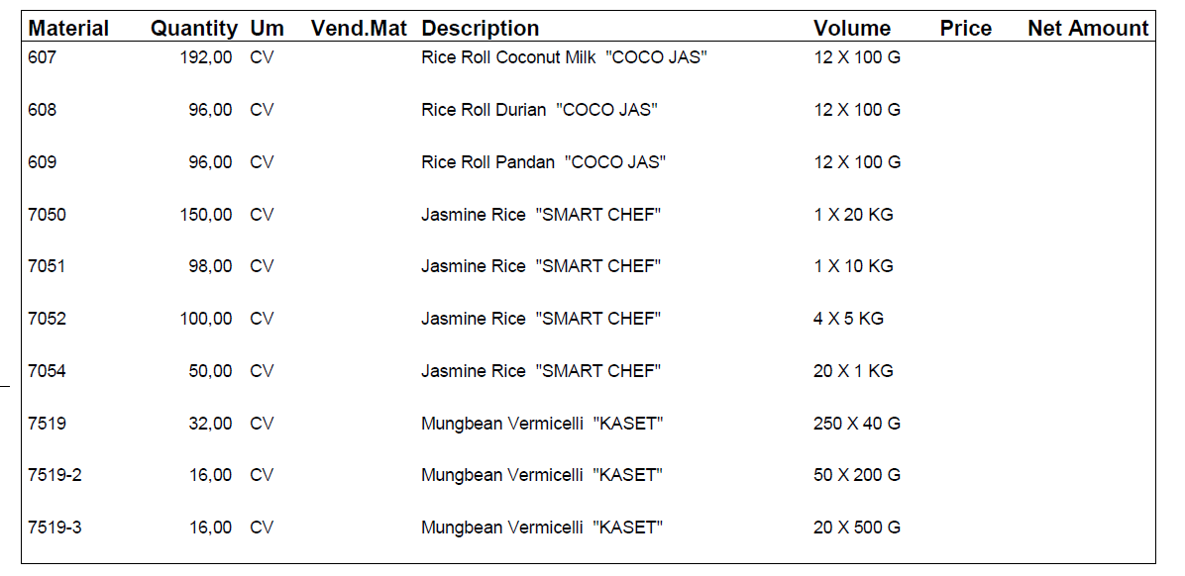
 | DESCRIPTION | CARTON SIZE (C.M) |  |  |  |  | QUANTITY | CBM | MT | N.W. | G.W. | EX004
Coconut roll - Coconut | 100g x12 Bag / carton | 30 | x | 39.3 | x | 23 | 192 | 5.206464 | 0.3552 | 1.20 | 1.85
Coconut roll - Durian | 100g x12 Bag / carton | 30 | x | 39.3 | x | 23 | 96 | 2.603232 | 0.1776 | 1.20 | 1.85
Coconut roll - Pandan | 100g x12 Bag / carton | 30 | x | 39.3 | x | 23 | 96 | 2.603232 | 0.1776 | 1.20 | 1.85
Thai Hommali Rice | 20KGS./SACK | 40 | x | 60 | x | 15 | 150 | 5.4 | 3.105 | 20.00 | 20.70
Thai Hommali Rice | 10KGS./SACK | 35 | x | 54 | x | 8 | 98 | 1.48176 | 0.9849 | 10.00 | 10.05
Hommali Rice | 5KGS.X4BAGS/SACK | 38 | x | 47 | x | 12 | 100 | 2.1432 | 2.025 | 20.00 | 20.25
Thai Hommali Rice | 1KGS.X20BAGS/CARTON | 38 | x | 46 | x | 18 | 50 | 1.5732 | 1.025 | 20.00 | 20.50
Bean Vermicelli Green bag | 40G.X250BAGS/CARTON | 48 | x | 51 | x | 40 | 32 | 3.13344 | 0.34048 | 10.00 | 10.64
Bean Vermicelli Green bag | 80G.X60BAGS/CARTON | 37.5 | x | 63.5 | x | 18.5 |  | 0 | 0 | 9.60 | 10.50
Bean Vermicelli Green bag | 200G.X50BAGS/CARTON | 48 | x | 48 | x | 48 | 16 | 1.769472 | 0.17024 | 10.00 | 10.64
Bean Vermicelli Green bag | 500G.X20BAGS/CARTON | 39.5 | x | 57 | x | 47 | 16 | 1.693128 | 0.17024 | 10.00 | 10.64
 |  |  |  |  |  |  | 846 | 27.607128 | 8.53126

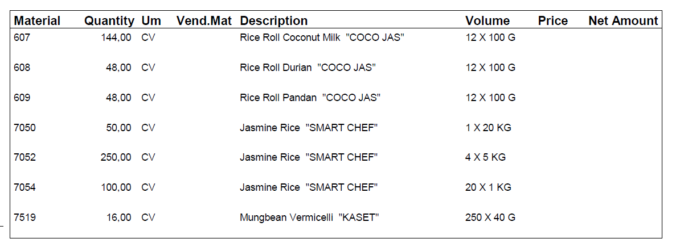
 | DESCRIPTION | CARTON SIZE (C.M) |  |  |  |  | QUANTITY | CBM | MT | N.W. | G.W. | EX003
Coconut roll - Coconut | 100g x12 Bag / carton | 30 | x | 39.3 | x | 23 | 192 | 5.206464 | 0.3552 | 1.20 | 1.85
Coconut roll - Durian | 100g x12 Bag / carton | 30 | x | 39.3 | x | 23 | 48 | 1.301616 | 0.0888 | 1.20 | 1.85
Coconut roll - Pandan | 100g x12 Bag / carton | 30 | x | 39.3 | x | 23 | 96 | 2.603232 | 0.1776 | 1.20 | 1.85
Thai Hommali Rice | 20KGS./SACK | 40 | x | 60 | x | 15 | 50 | 1.8 | 1.035 | 20.00 | 20.70
Thai Hommali Rice | 10KGS./SACK | 35 | x | 54 | x | 8 |  | 0 | 0 | 10.00 | 10.05
Hommali Rice | 5KGS.X4BAGS/SACK | 38 | x | 47 | x | 12 | 250 | 5.358 | 5.0625 | 20.00 | 20.25
Thai Hommali Rice | 1KGS.X20BAGS/CARTON | 38 | x | 46 | x | 18 | 150 | 4.7196 | 3.075 | 20.00 | 20.50
Bean Vermicelli Green bag | 40G.X250BAGS/CARTON | 48 | x | 51 | x | 40 | 16 | 1.56672 | 0.17024 | 10.00 | 10.64
Bean Vermicelli Green bag | 80G.X60BAGS/CARTON | 37.5 | x | 63.5 | x | 18.5 |  | 0 | 0 | 9.60 | 10.50
Bean Vermicelli Green bag | 200G.X50BAGS/CARTON | 48 | x | 48 | x | 48 | 16 | 1.769472 | 0.17024 | 10.00 | 10.64
Bean Vermicelli Green bag | 500G.X20BAGS/CARTON | 39.5 | x | 57 | x | 47 |  | 0 | 0 | 10.00 | 10.64
 |  |  |  |  |  |  | 818 | 24.325104 | 10.13458
 | DESCRIPTION | CARTON SIZE (C.M) |  |  |  |  | QUANTITY | CBM | MT | N.W. | G.W. | EX002
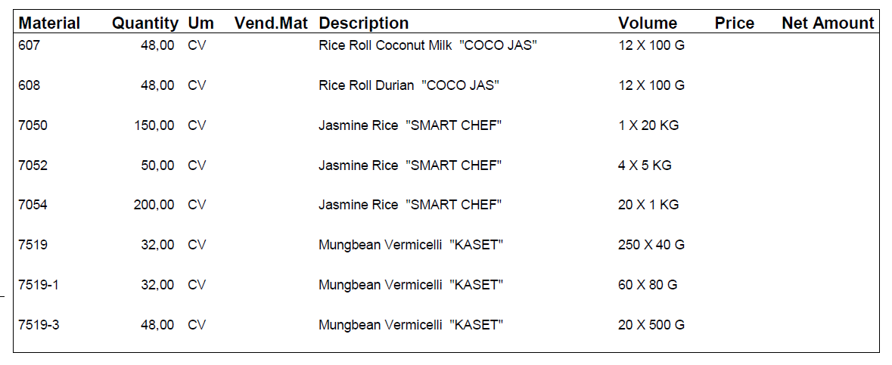
Coconut roll - Coconut | 100g x12 Bag / carton | 30 | x | 39.3 | x | 23 | 48 | 1.301616 | 0.0888 | 1.20 | 1.85
Coconut roll - Durian | 100g x12 Bag / carton | 30 | x | 39.3 | x | 23 | 48 | 1.301616 | 0.0888 | 1.20 | 1.85
Coconut roll - Pandan | 100g x12 Bag / carton | 30 | x | 39.3 | x | 23 |  | 0 | 0 | 1.20 | 1.85
Thai Hommali Rice | 20KGS./SACK | 40 | x | 60 | x | 15 | 150 | 5.4 | 3.105 | 20.00 | 20.70
Thai Hommali Rice | 10KGS./SACK | 35 | x | 54 | x | 8 |  | 0 | 0 | 10.00 | 10.05
Hommali Rice | 5KGS.X4BAGS/SACK | 38 | x | 47 | x | 12 | 50 | 1.0716 | 1.0125 | 20.00 | 20.25
Thai Hommali Rice | 1KGS.X20BAGS/CARTON | 38 | x | 46 | x | 18 | 200 | 6.2928 | 4.1 | 20.00 | 20.50
Bean Vermicelli Green bag | 40G.X250BAGS/CARTON | 48 | x | 51 | x | 40 | 32 | 3.13344 | 0.34048 | 10.00 | 10.64
Bean Vermicelli Green bag | 80G.X60BAGS/CARTON | 37.5 | x | 63.5 | x | 18.5 | 32 | 1.4097 | 0.336 | 9.60 | 10.50
Bean Vermicelli Green bag | 200G.X50BAGS/CARTON | 48 | x | 48 | x | 48 |  | 0 | 0 | 10.00 | 10.64
Bean Vermicelli Green bag | 500G.X20BAGS/CARTON | 39.5 | x | 57 | x | 47 | 48 | 5.079384 | 0.51072 | 10.00 | 10.64
 |  |  |  |  |  |  | 608 | 24.990156 | 9.5823
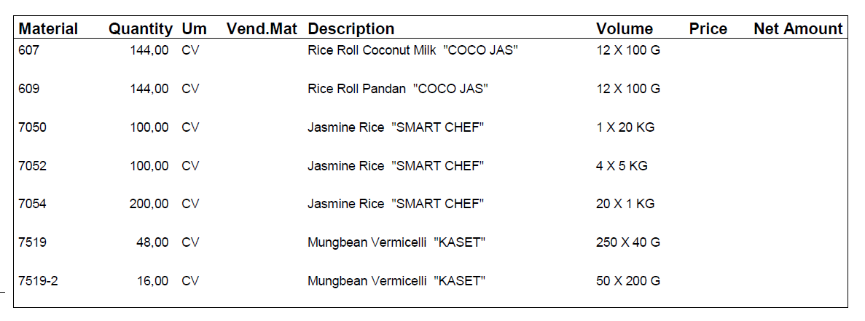
 | DESCRIPTION | CARTON SIZE (C.M) |  |  |  |  | QUANTITY | CBM | MT | N.W. | G.W.
Coconut roll - Coconut | 100g x12 Bag / carton | 30 | x | 39.3 | x | 23 | 144 | 3.904848 | 0.2664 | 1.20 | 1.85
Coconut roll - Durian | 100g x12 Bag / carton | 30 | x | 39.3 | x | 23 |  | 0 | 0 | 1.20 | 1.85
Coconut roll - Pandan | 100g x12 Bag / carton | 30 | x | 39.3 | x | 23 | 144 | 3.904848 | 0.2664 | 1.20 | 1.85
Thai Hommali Rice | 20KGS./SACK | 40 | x | 60 | x | 15 | 100 | 3.6 | 2.07 | 20.00 | 20.70
Thai Hommali Rice | 10KGS./SACK | 35 | x | 54 | x | 8 |  | 0 | 0 | 10.00 | 10.05
Hommali Rice | 5KGS.X4BAGS/SACK | 38 | x | 47 | x | 12 | 100 | 2.1432 | 2.025 | 20.00 | 20.25
Thai Hommali Rice | 1KGS.X20BAGS/CARTON | 38 | x | 46 | x | 18 | 200 | 6.2928 | 4.1 | 20.00 | 20.50
Bean Vermicelli Green bag | 40G.X250BAGS/CARTON | 48 | x | 51 | x | 40 | 48 | 4.70016 | 0.51072 | 10.00 | 10.64
Bean Vermicelli Green bag | 80G.X60BAGS/CARTON | 37.5 | x | 63.5 | x | 18.5 |  | 0 | 0 | 9.60 | 10.50
Bean Vermicelli Green bag | 200G.X50BAGS/CARTON | 48 | x | 48 | x | 48 | 16 | 1.769472 | 0.17024 | 10.00 | 10.64
Bean Vermicelli Green bag | 500G.X20BAGS/CARTON | 39.5 | x | 57 | x | 47 |  | 0 | 0 | 10.00 | 10.64
 |  |  |  |  |  |  | 752 | 26.315328 | 9.40876

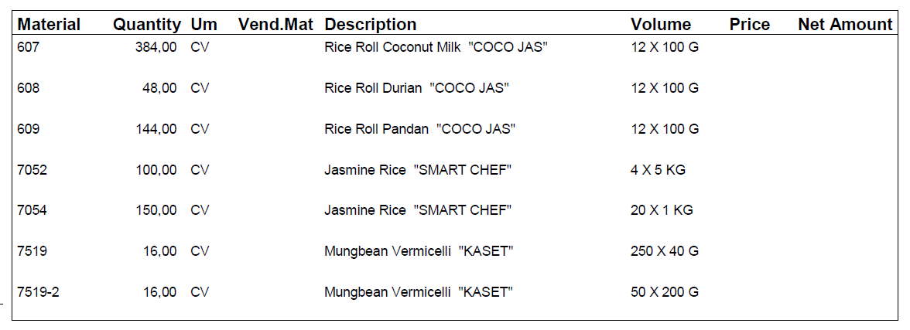
 | DESCRIPTION | CARTON SIZE (C.M) |  |  |  |  | QUANTITY | CBM | MT | N.W. | G.W. | EX009
Coconut roll - Coconut | 100g x12 Bag / carton | 30 | x | 39.3 | x | 23 | 384 | 10.412928 | 0.7104 | 1.20 | 1.85
Coconut roll - Durian | 100g x12 Bag / carton | 30 | x | 39.3 | x | 23 | 48 | 1.301616 | 0.0888 | 1.20 | 1.85
Coconut roll - Pandan | 100g x12 Bag / carton | 30 | x | 39.3 | x | 23 | 144 | 3.904848 | 0.2664 | 1.20 | 1.85
Thai Hommali Rice | 20KGS./SACK | 40 | x | 60 | x | 15 |  | 0 | 0 | 20.00 | 20.70
Thai Hommali Rice | 10KGS./SACK | 35 | x | 54 | x | 8 |  | 0 | 0 | 10.00 | 10.05
Hommali Rice | 5KGS.X4BAGS/SACK | 38 | x | 47 | x | 12 | 100 | 2.1432 | 2.025 | 20.00 | 20.25
Thai Hommali Rice | 1KGS.X20BAGS/CARTON | 38 | x | 46 | x | 18 | 150 | 4.7196 | 3.075 | 20.00 | 20.50
Bean Vermicelli Green bag | 40G.X250BAGS/CARTON | 48 | x | 51 | x | 40 | 16 | 1.56672 | 0.17024 | 10.00 | 10.64
Bean Vermicelli Green bag | 80G.X60BAGS/CARTON | 37.5 | x | 63.5 | x | 18.5 |  | 0 | 0 | 9.60 | 10.50
Bean Vermicelli Green bag | 200G.X50BAGS/CARTON | 48 | x | 48 | x | 48 | 16 | 1.769472 | 0.17024 | 10.00 | 10.64
Bean Vermicelli Green bag | 500G.X20BAGS/CARTON | 39.5 | x | 57 | x | 47 |  | 0 | 0 | 10.00 | 10.64
 |  |  |  |  |  |  | 858 | 25.818384 | 6.50608
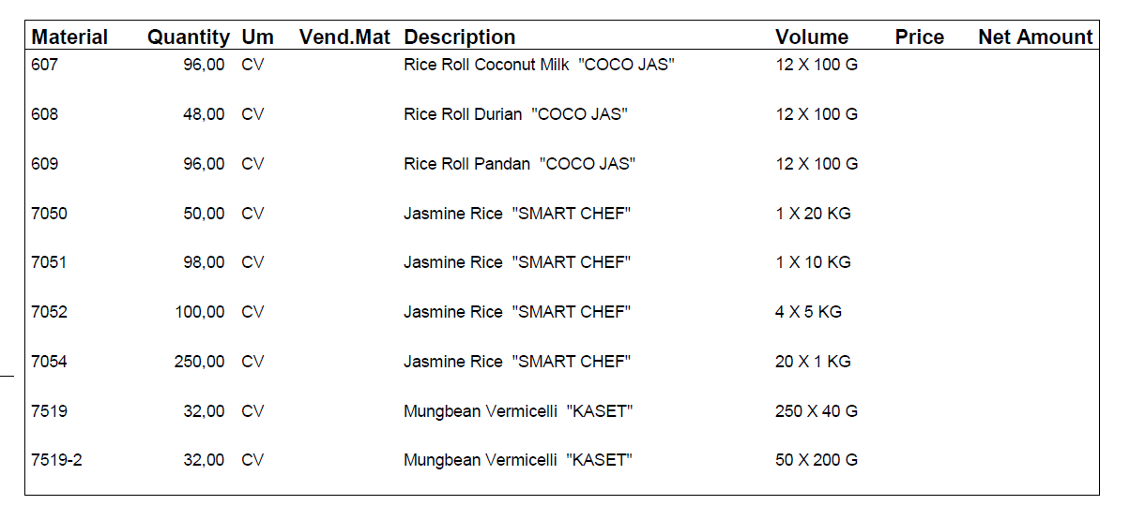
 | DESCRIPTION | CARTON SIZE (C.M) |  |  |  |  | QUANTITY | CBM | MT | N.W. | G.W. | EX008
Coconut roll - Coconut | 100g x12 Bag / carton | 30 | x | 39.3 | x | 23 | 96 | 2.603232 | 0.1776 | 1.20 | 1.85
Coconut roll - Durian | 100g x12 Bag / carton | 30 | x | 39.3 | x | 23 | 48 | 1.301616 | 0.0888 | 1.20 | 1.85
Coconut roll - Pandan | 100g x12 Bag / carton | 30 | x | 39.3 | x | 23 | 96 | 2.603232 | 0.1776 | 1.20 | 1.85
Thai Hommali Rice | 20KGS./SACK | 40 | x | 60 | x | 15 | 50 | 1.8 | 1.035 | 20.00 | 20.70
Thai Hommali Rice | 10KGS./SACK | 35 | x | 54 | x | 8 | 98 | 1.48176 | 0.9849 | 10.00 | 10.05
Hommali Rice | 5KGS.X4BAGS/SACK | 38 | x | 47 | x | 12 | 100 | 2.1432 | 2.025 | 20.00 | 20.25
Thai Hommali Rice | 1KGS.X20BAGS/CARTON | 38 | x | 46 | x | 18 | 200 | 6.2928 | 4.1 | 20.00 | 20.50
Bean Vermicelli Green bag | 40G.X250BAGS/CARTON | 48 | x | 51 | x | 40 | 32 | 3.13344 | 0.34048 | 10.00 | 10.64
Bean Vermicelli Green bag | 80G.X60BAGS/CARTON | 37.5 | x | 63.5 | x | 18.5 |  | 0 | 0 | 9.60 | 10.50
Bean Vermicelli Green bag | 200G.X50BAGS/CARTON | 48 | x | 48 | x | 48 | 32 | 3.538944 | 0.34048 | 10.00 | 10.64
Bean Vermicelli Green bag | 500G.X20BAGS/CARTON | 39.5 | x | 57 | x | 47 |  | 0 | 0 | 10.00 | 10.64
 |  |  |  |  |  |  | 752 | 24.898224 | 9.26986
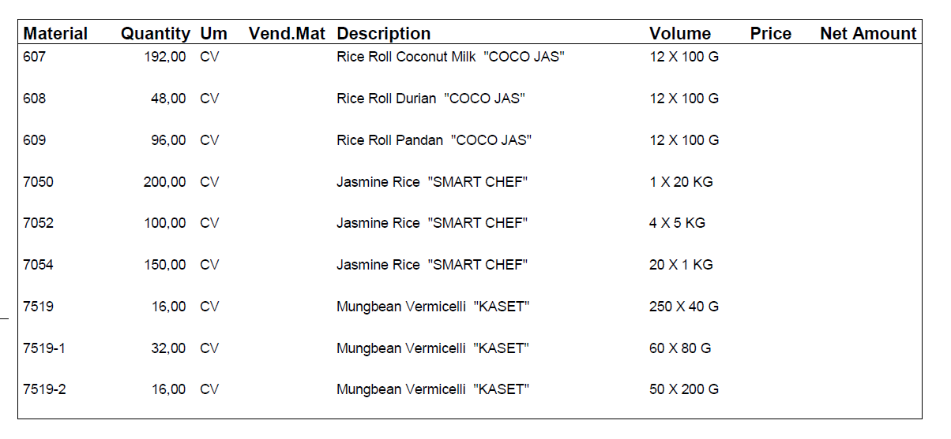
 | DESCRIPTION | CARTON SIZE (C.M) |  |  |  |  | QUANTITY | CBM | MT | N.W. | G.W. | EX007
Coconut roll - Coconut | 100g x12 Bag / carton | 30 | x | 39.3 | x | 23 | 192 | 5.206464 | 0.3552 | 1.20 | 1.85
Coconut roll - Durian | 100g x12 Bag / carton | 30 | x | 39.3 | x | 23 | 48 | 1.301616 | 0.0888 | 1.20 | 1.85
Coconut roll - Pandan | 100g x12 Bag / carton | 30 | x | 39.3 | x | 23 | 96 | 2.603232 | 0.1776 | 1.20 | 1.85
Thai Hommali Rice | 20KGS./SACK | 40 | x | 60 | x | 15 | 200 | 7.2 | 4.14 | 20.00 | 20.70
Thai Hommali Rice | 10KGS./SACK | 35 | x | 54 | x | 8 |  | 0 | 0 | 10.00 | 10.05
Hommali Rice | 5KGS.X4BAGS/SACK | 38 | x | 47 | x | 12 | 100 | 2.1432 | 2.025 | 20.00 | 20.25
Thai Hommali Rice | 1KGS.X20BAGS/CARTON | 38 | x | 46 | x | 18 | 100 | 3.1464 | 2.05 | 20.00 | 20.50
Bean Vermicelli Green bag | 40G.X250BAGS/CARTON | 48 | x | 51 | x | 40 | 16 | 1.56672 | 0.17024 | 10.00 | 10.64
Bean Vermicelli Green bag | 80G.X60BAGS/CARTON | 37.5 | x | 63.5 | x | 18.5 | 32 | 1.4097 | 0.336 | 9.60 | 10.50
Bean Vermicelli Green bag | 200G.X50BAGS/CARTON | 48 | x | 48 | x | 48 | 16 | 1.769472 | 0.17024 | 10.00 | 10.64
Bean Vermicelli Green bag | 500G.X20BAGS/CARTON | 39.5 | x | 57 | x | 47 |  | 0 | 0 | 10.00 | 10.64
 |  |  |  |  |  |  | 800 | 26.346804 | 9.51308

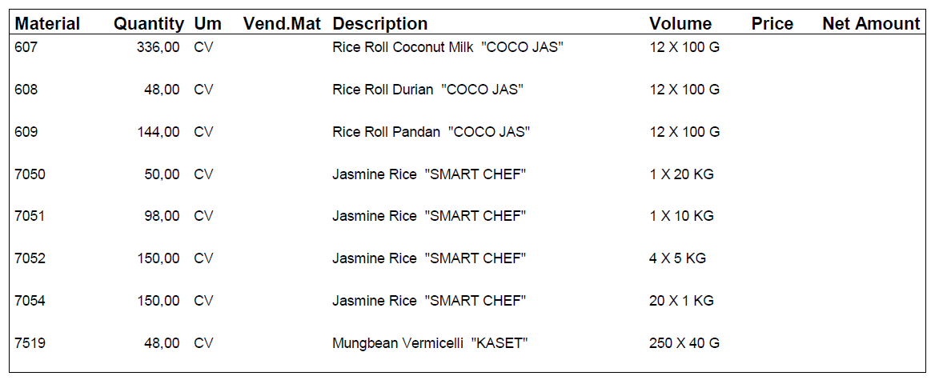
 | DESCRIPTION | CARTON SIZE (C.M) |  |  |  |  | QUANTITY | CBM | MT | N.W. | G.W. | EX006
Coconut roll - Coconut | 100g x12 Bag / carton | 30 | x | 39.3 | x | 23 | 336 | 9.111312 | 0.6216 | 1.20 | 1.85
Coconut roll - Durian | 100g x12 Bag / carton | 30 | x | 39.3 | x | 23 | 48 | 1.301616 | 0.0888 | 1.20 | 1.85
Coconut roll - Pandan | 100g x12 Bag / carton | 30 | x | 39.3 | x | 23 | 144 | 3.904848 | 0.2664 | 1.20 | 1.85
Thai Hommali Rice | 20KGS./SACK | 40 | x | 60 | x | 15 | 50 | 1.8 | 1.035 | 20.00 | 20.70
Thai Hommali Rice | 10KGS./SACK | 35 | x | 54 | x | 8 | 98 | 1.48176 | 0.9849 | 10.00 | 10.05
Hommali Rice | 5KGS.X4BAGS/SACK | 38 | x | 47 | x | 12 | 150 | 3.2148 | 3.0375 | 20.00 | 20.25
Thai Hommali Rice | 1KGS.X20BAGS/CARTON | 38 | x | 46 | x | 18 | 150 | 4.7196 | 3.075 | 20.00 | 20.50
Bean Vermicelli Green bag | 40G.X250BAGS/CARTON | 48 | x | 51 | x | 40 | 48 | 4.70016 | 0.51072 | 10.00 | 10.64
Bean Vermicelli Green bag | 80G.X60BAGS/CARTON | 37.5 | x | 63.5 | x | 18.5 |  | 0 | 0 | 9.60 | 10.50
Bean Vermicelli Green bag | 200G.X50BAGS/CARTON | 48 | x | 48 | x | 48 |  | 0 | 0 | 10.00 | 10.64
Bean Vermicelli Green bag | 500G.X20BAGS/CARTON | 39.5 | x | 57 | x | 47 |  | 0 | 0 | 10.00 | 10.64
 |  |  |  |  |  |  | 1024 | 30.234096 | 9.61992

 | DESCRIPTION | CARTON SIZE (C.M) |  |  |  |  | QUANTITY | CBM | MT | N.W. | G.W. | ex005
Coconut roll - Coconut | 100g x12 Bag / carton | 30 | x | 39.3 | x | 23 | 144 | 3.904848 | 0.2664 | 1.20 | 1.85
Coconut roll - Durian | 100g x12 Bag / carton | 30 | x | 39.3 | x | 23 | 144 | 3.904848 | 0.2664 | 1.20 | 1.85
Coconut roll - Pandan | 100g x12 Bag / carton | 30 | x | 39.3 | x | 23 | 144 | 3.904848 | 0.2664 | 1.20 | 1.85
Thai Hommali Rice | 20KGS./SACK | 40 | x | 60 | x | 15 | 250 | 9 | 5.175 | 20.00 | 20.70
Hommali Rice | 5KGS.X4BAGS/SACK | 38 | x | 47 | x | 12 | 100 | 2.1432 | 2.025 | 20.00 | 20.25
Thai Hommali Rice | 1KGS.X20BAGS/CARTON | 38 | x | 46 | x | 18 | 120 | 3.77568 | 2.46 | 20.00 | 20.50
Bean Vermicelli Green bag | 40G.X250BAGS/CARTON | 48 | x | 51 | x | 40 | 16 | 1.56672 | 0.17024 | 10.00 | 10.64
Bean Vermicelli Green bag | 80G.X60BAGS/CARTON | 37.5 | x | 63.5 | x | 18.5 | 32 | 1.4097 | 0.336 | 9.60 | 10.50
 |  |  |  |  |  |  | 950 | 29.609844 | 10.96544

